Charts
EQUITY |  |  |  |  |  |  |  |  |  |  |  |  |  | OPTIONS

1. Portfolio Equity |  |  |  |  |  |  |  |  |  |  |  |  |  | 1. Portfolio Equity

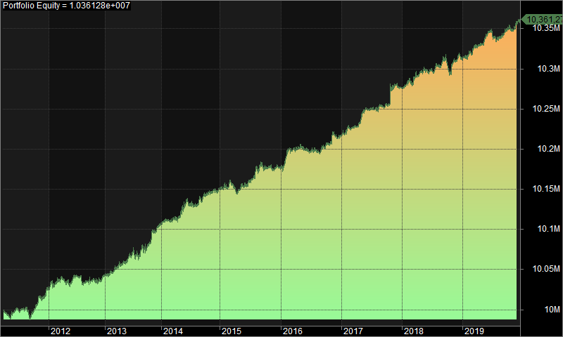
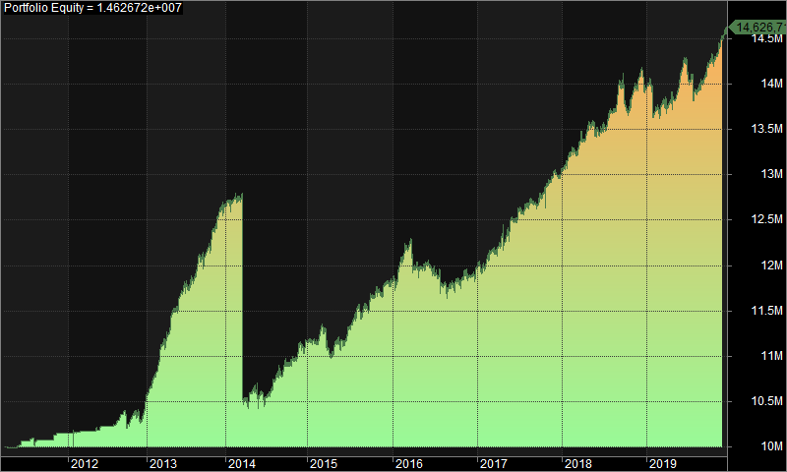

2. Underwater Equity |  |  |  |  |  |  |  |  |  |  |  |  |  | 2. Underwater Equity

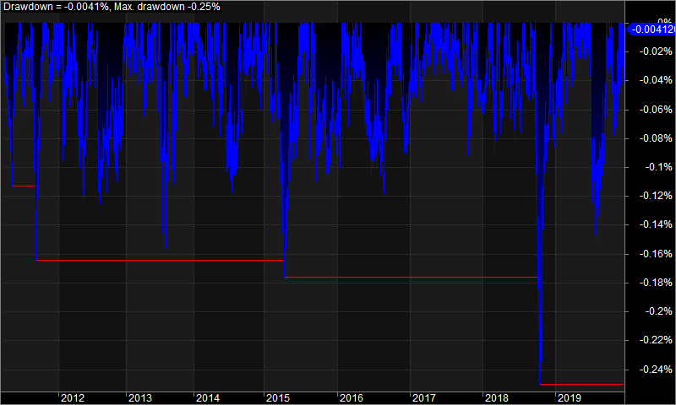
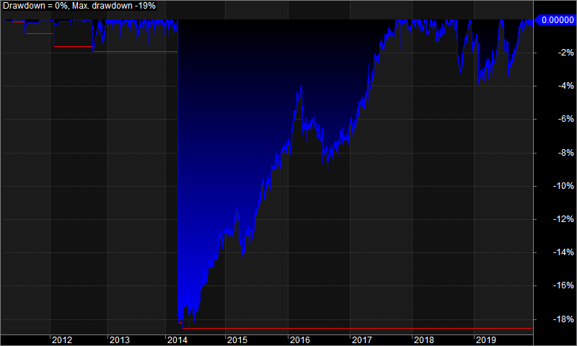

3. Profit Table |  |  |  |  |  |  |  |  |  |  |  |  |  | 3. Profit Table

Year | Jan | Feb | Mar | Apr | May | Jun | Jul | Aug | Sep | Oct | Nov | Dec | Yr% | Year | Jan | Feb | Mar | Apr | May | Jun | Jul | Aug | Sep | Oct | Nov | Dec | Yr%
2011 | N/A | N/A | -0.10% | 0.00% | 0.10% | 0.00% | 0.00% | -0.10% | 0.10% | 0.10% | 0.00% | 0.10% | 0.30% | 2011 | N/A | N/A | -0.10% | 0.00% | 0.80% | 0.00% | 0.00% | 0.10% | 0.00% | 0.50% | 0.20% | 0.00% | 1.50%
2012 | 0.10% | 0.10% | 0.00% | 0.00% | 0.00% | 0.10% | -0.10% | 0.00% | 0.00% | 0.00% | 0.00% | 0.10% | 0.20% | 2012 | 0.00% | 0.20% | 0.00% | 0.00% | 0.50% | 0.00% | 0.10% | 1.10% | -1.10% | 1.20% | -0.70% | 2.70% | 4.20%
2013 | 0.00% | 0.10% | 0.00% | 0.00% | 0.10% | 0.10% | 0.00% | 0.10% | 0.00% | 0.10% | 0.10% | 0.10% | 0.60% | 2013 | 1.80% | 2.80% | 1.50% | 2.10% | 1.60% | 0.90% | 1.00% | 2.00% | 0.10% | 2.00% | 1.50% | 1.00% | 19.70%
2014 | 0.10% | 0.00% | 0.00% | 0.00% | 0.10% | 0.00% | 0.00% | 0.10% | 0.00% | 0.00% | 0.00% | 0.00% | 0.50% | 2014 | 0.10% | 0.30% | -17.30% | 0.70% | -0.40% | -0.10% | 1.70% | 1.20% | 0.70% | 0.30% | 1.60% | 0.30% | -11.80%
2015 | 0.10% | 0.00% | -0.10% | 0.00% | 0.00% | 0.10% | 0.10% | 0.10% | 0.00% | 0.00% | 0.00% | 0.00% | 0.30% | 2015 | 0.20% | 1.00% | -1.90% | 0.60% | 0.40% | 0.90% | 2.10% | 0.10% | 1.20% | 0.40% | 0.70% | 0.30% | 5.90%
2016 | 0.10% | 0.10% | 0.00% | 0.00% | 0.00% | 0.00% | 0.00% | 0.00% | 0.10% | 0.00% | 0.10% | 0.00% | 0.40% | 2016 | 1.00% | 2.00% | -1.90% | -0.10% | 0.60% | -1.10% | -0.80% | -0.30% | 0.50% | 0.30% | 0.30% | 0.80% | 1.20%
2017 | 0.10% | 0.00% | 0.00% | 0.10% | 0.20% | 0.00% | 0.00% | 0.10% | 0.00% | 0.20% | 0.00% | 0.00% | 0.60% | 2017 | 0.40% | 1.00% | 0.50% | 0.50% | 2.20% | 0.70% | 0.10% | 0.60% | 0.70% | 0.90% | 1.00% | 0.30% | 9.10%
2018 | 0.00% | 0.00% | 0.10% | 0.00% | 0.00% | 0.00% | 0.10% | 0.00% | 0.00% | 0.00% | 0.00% | 0.00% | 0.30% | 2018 | 1.10% | 0.30% | 1.40% | 0.90% | -0.30% | 0.20% | 1.10% | 2.00% | -1.30% | 0.50% | 1.40% | -0.80% | 6.80%
2019 | 0.00% | 0.10% | 0.10% | 0.00% | 0.10% | 0.00% | -0.10% | 0.10% | 0.10% | 0.00% | 0.10% | 0.10% | 0.50% | 2019 | -2.30% | 0.50% | 0.20% | 0.80% | 2.00% | 0.10% | -1.40% | 0.60% | 1.60% | 0.50% | 1.30% | 0.90% | 4.80%
Avg | 0.00% | 0.00% | 0.00% | 0.00% | 0.10% | 0.00% | 0.00% | 0.00% | 0.00% | 0.10% | 0.00% | 0.00% |  | Avg | 0.30% | 1.00% | -2.00% | 0.60% | 0.80% | 0.20% | 0.40% | 0.80% | 0.30% | 0.70% | 0.80% | 0.60%

